Home
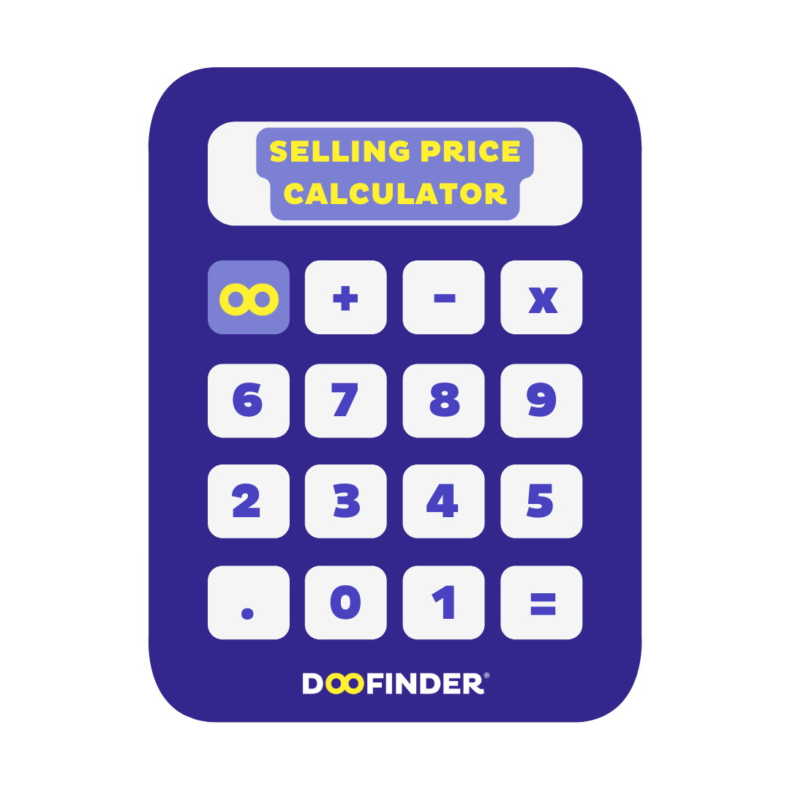
 |  | Instructions and Table of Contents

 |  | Welcome to Doofinder's Selling Price Calculator! This Excel workbook contains nine tabs, each one designed to help you explore a different pricing strategy for your business. To access them, click on the tab names below or use the tabs at the bottom of the document. Then, fill in your price points and sales projections to get an idea of how each strategy could work for you.

 |  | Go to a Calculator

 |  | Competition-Based Pricing |  | Cost-Plus Pricing (Fixed)

 |  | Freemium Pricing |  | Hourly Pricing

 |  | Skimming Pricing |  | Penetration Pricing
 | SELLING PRICE CALCULATOR
 |  | Premium Pricing (Fixed) |  | Project-Based Pricing

Doofinder's Selling Price Calculator is the ultimate tool for ecommerce managers looking to save time and maximize profits. With our calculator, you can easily input your cost price, desired profit margin, and any additional fees or expenses, and voila! The calculator will give you the perfect selling price for your product. |  |  | Value-Based Pricing

